Sheet1
 |  |  |  |  |  |  |  |  | << | Execute dbo.Select_Job_Details | On first entry to this screen (Call SP) Department, Login and Job Name params required as part of SP Call:
 |  |  |  | Job Details |  |  |  |  |  |  | This SP call populates the fields on the screen. When you enter this screen, results based on SP call are pushed to a temp table
 |  |  |  |  |  |  |  |  |  |  | Name of temp table is: REPLACE('##' + @USER_LOGIN + '_' + @DEPARTMENT + '_' + 'Job_Details', ' ', ''), '-', '')
 |  |  |  | Department |  | Login
 |  |  |  | On-Track |  | DominicB |  |  |  | Param "Job_Department" passed to the SP for this screen, populates this field |  | Param "User_Login" passed to the SP for this screen, populates this field

 |  |  |  | Job Name - (Job > Post Code > Date > Shift)
 |  |  |  | Clear Trees>BN1 7>2023-04-09>N |  |  |  |  | << | Param "Job_Name" passed to the SP for this screen, populates this field | User enters First Name
Calendar Window showing next
available 60 days (Today onwards) |  |  |  | Job
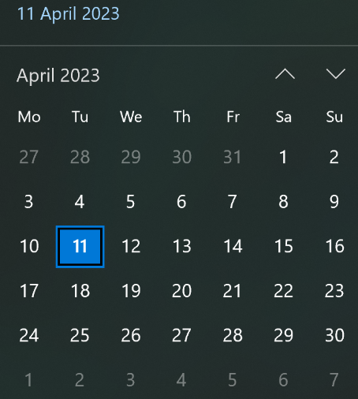
 |  |  |  | Clearing Trees |  |  |  |  | << | Job_Task in results set passed to this field

 |  |  |  | Job Date |  |  | Shift Period
 | >> |  |  | 2023-04-09 (Sun) | V |  | Night | V | << | Execute dbo.List_Next_60_Days | Calendar_Date_Name in results set passed to this field | Execute dbo.List_Shift_Period | Shift_Period in results set passed to this field
 |  |  |  |  |  |  |  |  |  |  | Option to change date via drop down list (This shows the next available 60 days) |  | Option to change date via drop down list (This shows night or day)
 |  |  |  | County
 |  |  |  | South East (BN) |  |  |  | V | << | Execute dbo.List_Post_Code_County | County in results set passed to this field - Option to change value via drop down list
 |  |  |  |  |  |  |  |  |  |  | When edit County field, Region and District fields are set to blank
 |  |  |  | Region
 |  |  |  | Brighton (BN22) |  |  |  | V | << | Execute dbo.List_Post_Code_Region | Region in results set passed to this field - Option to change value via drop down list
 |  |  |  |  |  |  |  |  |  |  | Param Via County field. When edit Region field, District field is set to blank
 |  |  |  | District
 |  |  |  | Eastbourne (BN22 8) |  |  |  | V | << | Execute dbo.List_Post_Code_District | District in results set passed to this field - Option to change value via drop down list
 |  |  |  |  |  |  |  |  |  |  | Param Via Region field.
 |  |  |  | Travel Distance |  |  | Job Availability |  |  |  |  |  | Job_Availability in results set passed to this field - Option to change value via drop down list
 |  |  |  | 15 | V |  | Available | V | << | Execute dbo.List_Travel_Distance | Travel_Distance in results set passed to this field - Option to change value via drop down list | Execute dbo.List_Availability | If value = "Available" Background is Green
 |  |  |  |  |  |  |  |  |  |  | Option to change date via drop down list SP call Returns a list of miles (1-50) |  | If value = "Not Available" Background is Red

 |  |  |  | < Manage Jobs |  |  | Update |  | << | Execute dbo.Manage_Jobs | This is the "Manage Jobs" Button. Takes you back to the "Manage Jobs" Screen | Execute dbo.Alter_Job_Details | This is the "Update" Button. Updates appended to the temp table in the background above are reflected back to the database
 |  |  |  |  |  |  |  |  |  |  | Department, Login params required as part of SP Call: |  | Department, Login and Job Name params required as part of SP Call:
 |  |  |  |  |  |  |  |  |  |  | When you enter new screen, results based on SP are pushed to a temp table (REPLACE(REPLACE('##' + @USER_LOGIN + '_' + @DEPARTMENT + '_' + 'Manage_Jobs', ' ', ''), '-', '')) |  | See above for temp table name
 |  | SPS Used…
 |  |  | dbo.Select_Job_Details
 |  |  | dbo.List_Next_60_Days
 |  |  | dbo.List_Shift_Period
 |  |  | dbo.List_Post_Code_County
 |  |  | dbo.List_Post_Code_Region
 |  |  | dbo.List_Post_Code_District
 |  |  | dbo.List_Travel_Distance
 |  |  | dbo.List_Availability
 |  |  | dbo.Manage_Jobs
 |  |  | dbo.Alter_Job_Details

